Table 08
Return to Table of Contents
Table 08 - QTWEET_OFFENSIVE: Do you find these tweets offensive, or not? |  |  |  |  |  |  |  |  |  |  |  |  |  |  |  |  |  |  |  |  |  |  |  |  |  |  |  |  |  |  |  |  |  | Base - All respondents.
 |  | Total | US Congressional District |  |  |  | Age |  |  |  |  |  | Gender |  | Party Identification |  |  |  |  |  |  | Political Ideology |  |  |  |  |  | Religious Affiliation + Activity
 |  | [A] | [A] | [B] | [C] | [D] | [A] | [B] | [C] | [D] | [E] | [F] | [A] | [B] | [A] | [B] | [C] | [D] | [E] | [F] | [G] | [A] | [B] | [C] | [D] | [E] | [F] | [A] | [B] | [C] | [D] | [E] | [F] | [G] | [H] | [I] | [J]
 |  | Average | 1 | 2 | 3 | 4 | 18-24 | 25-34 | 35-44 | 45-54 | 55-64 | 65+ | Female | Male | Strong Republican | Not very strong Republican | Independent leaning Republican | Independent/Other/No preference | Independent leaning Democrat | Not very strong Democrat | Strong Democrat | Stronly conservative | Moderately conservative | Neither, middle of the road | Moderately liberal | Strongly liberal | Do not kno/not sure | Very active LDS | Less active LDS | Not active LDS | Very active Christian (non-LDS) | Less active Christian (non-LDS) | Not active Christian (non-LDS) | Very active non-Christian | Less active non-Christian | Not active non-Christian | Agnostic/Athiest/None
 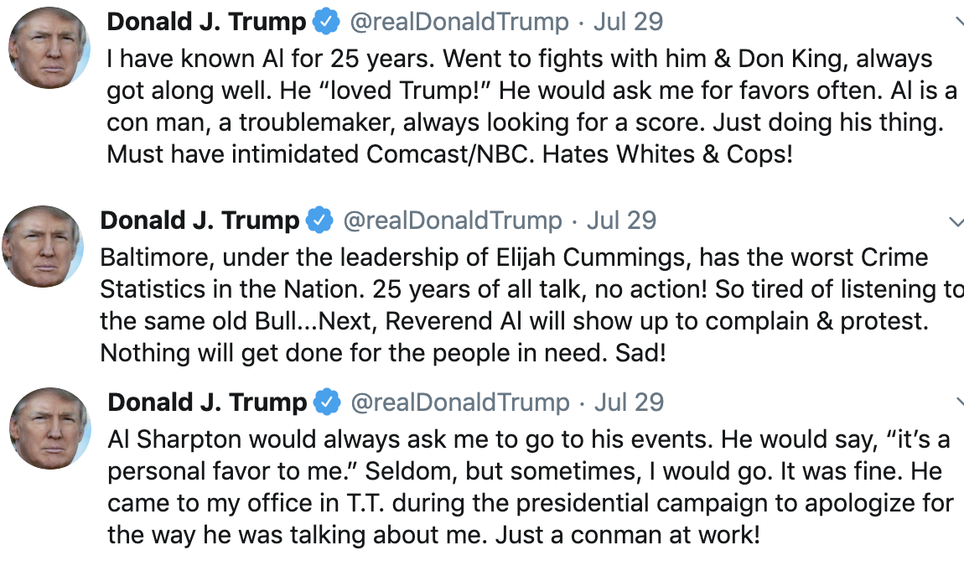 Do you find these tweets offensive, or not? | Yes, they are offensive | 56% | 58% | 62% | 41% | 62% | 82% | 51% | 66% | 43% | 57% | 54% | 66% | 51% | 16% | 58% | 25% | 60% | 92% | 97% | 90% | 10% | 44% | 82% | 85% | 97% | 59% | 43% | 64% | 35% | 61% | 63% | 77% | 100% | 47% | 64% | 66%
 |  | 264 | 55 | 87 | 40 | 82 | 7 | 22 | 56 | 40 | 65 | 74 | 124 | 134 | 23 | 28 | 18 | 63 | 56 | 14 | 62 | 13 | 62 | 64 | 78 | 38 | 3 | 91 | 24 | 5 | 10 | 20 | 9 | 1 | 3 | 1 | 100
 |  | - |  |  |  |  |  |  |  |  |  |  | b |  |  | A |  | A c | A b C d | A b C d | A C |  | A | A B | A b | A B f | a |  |  |  |  |  |  | -
 | No, they are not offensive | 40% | 38% | 36% | 51% | 35% | 4% | 48% | 31% | 53% | 40% | 41% | 28% | 48% | 80% | 28% | 68% | 38% | 5% | 0% | 10% | 86% | 47% | 16% | 14% | 3% | 23% | 50% | 35% | 59% | 36% | 34% | 23% | 0% | 53% | 36% | 31%
 |  | 213 | 51 | 51 | 55 | 56 | 1 | 21 | 32 | 48 | 42 | 69 | 57 | 141 | 96 | 23 | 39 | 50 | 2 | 0 | 3 | 107 | 61 | 22 | 5 | 1 | 3 | 104 | 24 | 5 | 12 | 14 | 3 | 0 | 3 | 1 | 47
 |  | - |  |  |  |  |  | a |  | A | a | a |  | a | B D E F G |  | b E F g | e |  |  |  | B C D E F | C E |  |  |  |  |  |  |  |  |  |  | -
 | Don't know/not sure | 4% | 3% | 2% | 8% | 3% | 14% | 1% | 3% | 4% | 3% | 4% | 6% | 1% | 3% | 14% | 7% | 2% | 2% | 3% | 0% | 4% | 8% | 2% | 1% | 0% | 18% | 7% | 1% | 6% | 2% | 4% | 0% | 0% | 0% | 0% | 2%
 |  | 23 | 7 | 6 | 5 | 5 | 1 | 1 | 4 | 5 | 6 | 6 | 14 | 6 | 6 | 7 | 5 | 3 | 1 | 1 | 0 | 7 | 7 | 4 | 2 | 0 | 2 | 13 | 1 | 1 | 1 | 2 | 0 | 0 | 0 | 0 | 5
 |  | - |  |  |  |  |  |  |  |  |  |  | b |  |  |  |  |  |  |  |  |  | d |  |  |  | D |  |  |  |  |  |  | -
 | Total | 100% | 100% | 100% | 100% | 100% | 100% | 100% | 100% | 100% | 100% | 100% | 100% | 100% | 100% | 100% | 100% | 100% | 100% | 100% | 100% | 100% | 100% | 100% | 100% | 100% | 100% | 100% | 100% | 100% | 100% | 100% | 100% | 100% | 100% | 100% | 100%
 |  | 500 | 113 | 144 | 100 | 143 | 9 | 44 | 92 | 93 | 113 | 149 | 195 | 281 | 125 | 58 | 62 | 116 | 59 | 15 | 65 | 127 | 130 | 90 | 85 | 39 | 8 | 208 | 49 | 11 | 23 | 36 | 12 | 1 | 6 | 2 | 152
 |  | - | - | - | - | - | - | - | - | - | - | - | - | - | - | - | - | - | - | - | - | - | - | - | - | - | - | - | - | - | - | - | - | - | - | - | -
 | Yes, they are offensive | 50% | 44% | 57% | 50% | 48% | 74% | 53% | 49% | 40% | 51% | 52% | 62% | 39% | 17% | 25% | 27% | 49% | 92% | 95% | 86% | 11% | 30% | 60% | 83% | 96% | 100% | 40% | 49% | 48% | 22% | 54% | 31% | 64% | 100% | 100% | 63%
 |  | 238 | 44 | 70 | 58 | 66 | 4 | 28 | 39 | 36 | 52 | 79 | 112 | 110 | 18 | 18 | 23 | 52 | 51 | 24 | 52 | 11 | 43 | 56 | 86 | 25 | 3 | 80 | 26 | 6 | 5 | 17 | 3 | 3 | 5 | 1 | 92
 |  | - |  |  |  |  |  |  |  |  |  |  | B |  |  |  |  | a | A B C D | A B C d | A b c |  | a | A | A B | A B C | A |  |  |  |  |  |  |  |  | - | d
 | No, they are not offensive | 45% | 49% | 40% | 46% | 44% | 16% | 43% | 45% | 52% | 45% | 44% | 31% | 58% | 74% | 57% | 69% | 47% | 5% | 4% | 13% | 84% | 60% | 37% | 14% | 4% | 0% | 52% | 50% | 52% | 63% | 44% | 69% | 36% | 0% | 0% | 33%
 |  | 233 | 59 | 57 | 62 | 55 | 2 | 23 | 36 | 46 | 53 | 73 | 68 | 152 | 99 | 22 | 45 | 57 | 5 | 1 | 4 | 97 | 93 | 21 | 9 | 2 | 0 | 113 | 35 | 8 | 10 | 14 | 7 | 2 | 0 | 0 | 44
 |  | - |  |  |  |  |  |  |  |  |  |  |  | A | E F g | E f | E F g | E f |  |  |  | b C D E f | D E | e |  |  |  |  |  |  |  |  |  |  |  | -
 | Don't know/not sure | 5% | 7% | 2% | 4% | 8% | 10% | 4% | 7% | 9% | 5% | 4% | 7% | 3% | 9% | 18% | 4% | 4% | 3% | 1% | 1% | 5% | 10% | 3% | 4% | 0% | 0% | 9% | 1% | 0% | 15% | 2% | 0% | 0% | 0% | 0% | 4%
 |  | 32 | 8 | 4 | 8 | 12 | 1 | 4 | 5 | 6 | 8 | 8 | 16 | 14 | 9 | 8 | 5 | 6 | 2 | 1 | 1 | 8 | 13 | 3 | 6 | 0 | 0 | 19 | 1 | 0 | 3 | 1 | 0 | 0 | 0 | 0 | 8
 |  | - |  |  |  |  |  |  |  |  |  |  |  |  |  | f G |  |  |  |  |  |  |  |  |  |  |  |  |  |  |  |  |  |  |  | -
 | Total | 100% | 100% | 100% | 100% | 100% | 100% | 100% | 100% | 100% | 100% | 100% | 100% | 100% | 100% | 100% | 100% | 100% | 100% | 100% | 100% | 100% | 100% | 100% | 100% | 100% | 100% | 100% | 100% | 100% | 100% | 100% | 100% | 100% | 100% | 100% | 100%
 |  | 503 | 111 | 131 | 128 | 133 | 7 | 55 | 80 | 88 | 113 | 160 | 196 | 276 | 126 | 48 | 73 | 115 | 58 | 26 | 57 | 116 | 149 | 80 | 101 | 27 | 3 | 212 | 62 | 14 | 18 | 32 | 10 | 5 | 5 | 1 | 144
 |  | - | - | - | - | - | - | - | - | - | - | - | - | - | - | - | - | - | - | - | - | - | - | - | - | - | - | - | - | - | - | - | - | - | - | - | -
Total sample; Weight: weights; base n = from 472 to 503; total n = 1017; 545 missing; effective sample size = 314 (62%)
Multiple comparison correction: False Discovery Rate (FDR) (p = 0.05); Column multiple comparison correction: Bonferroni; Column comparison symbols: a, b, c... (p <= 0.05), A, B, C... (p <= 0.001); No test symbol: -; Not significant symbol:

